Sheet1
 | Document No. |  | Issue No. |  | Issue Date |  |  | Review and Replace Date |  |  | Authorised By
 | GFF169MC |  | 1 |  | 20.03.2020 |  |  | New Issue |  |  | Magda Shah
 | Document Title |  | Indian Selection with Tamarind Dip 84g - High Risk
Document amendments reason for change | New product launch |  |  |  | Page 1 of 1 |  | Previous Issue Date |  | New Issue |  | Uncontrolled copy unless signed original

CINSB3-G6T |  | GAZEBO |  |  |  | INDIAN SELECTION WITH TAMARIND DIP 84g | CHILLED
STEP 1 |  |  |  | STEP 2 |  |  |  |  |  | STEP 3
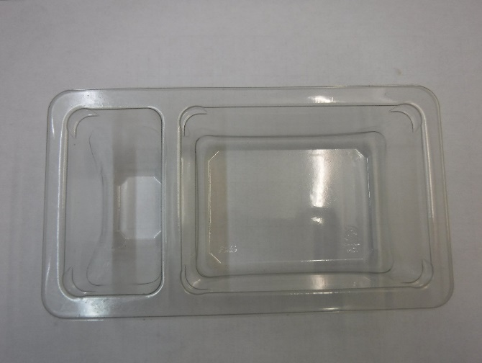 |  |  |  | 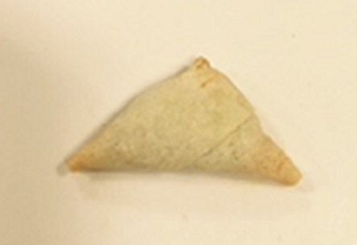 Fried before packing |  |  |  |  |  | 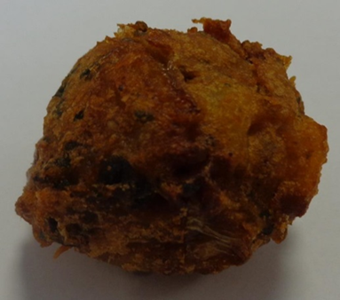

GUS FLASHED PRODUCT

Packaging: Duo-Pot Tray (PKLEE001-01) |  |  |  | 2 x 15g Vegetable Samosa |  |  |  |  |  | 2 x 12g Vegetable Pakora Bite
Line 1: Mylar 250LAF 250mm x 1000 (PKWRA001-08) Line 1: K-Peel 75G + AF 25 250mm (PKKMP001-01) Line 2: Mylar 25OLAF - 380mm wide (PKWRA001-02) |  |  |  | RMMAN001-19 |  |  |  |  |  | GFF013-3R
STEP 4 |  |  |  |  |  |  | STEP 5
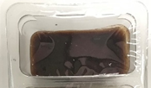

Tamarind Dip (Heera) (RMP&B001-04) 30g |  |  |  |  |  |  | TOTAL WEIGHT: 84g

ALLERGY ALERT: WHEAT

